Copyright-Acknowledgements
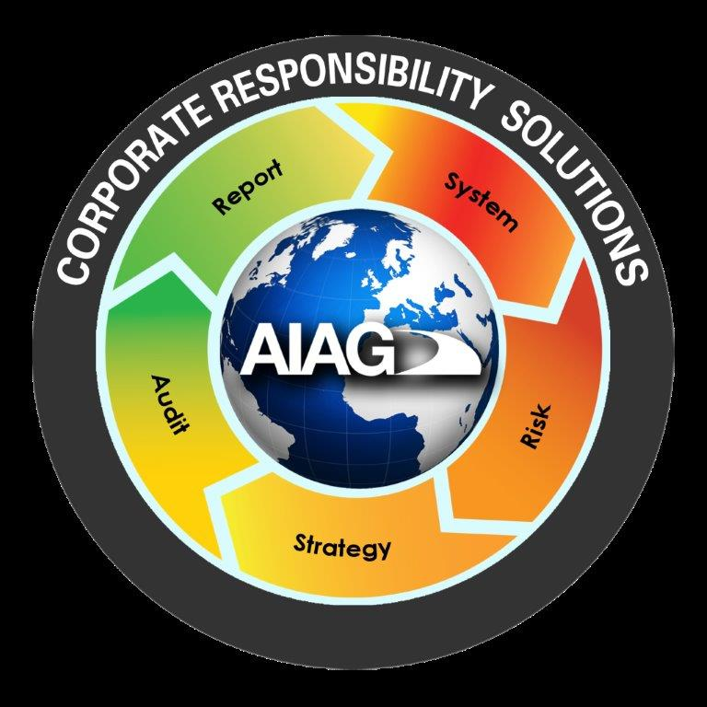
About AIAG |  |  | Version 2.1, Issued 3/2018
Purpose Statement
Founded in 1982, AIAG is a globally recognized organization where OEMs and suppliers unite to address and resolve issues affecting the worldwide automotive supply chain. AIAG’s goals are to reduce cost and complexity through collaboration; improve product quality, promote corporate responsibility, health, safety, and the environment; and optimize speed to market throughout the supply chain.
AIAG Organization
AIAG is made up of a board of directors, an executive director, executives on loan from member companies, associate directors, a full-time staff, and volunteers serving on project teams. Directors, department managers, and program managers plan, direct and coordinate the association’s activities under the direction of the executive director.
AIAG Projects
AIAG promotes objectives primarily by publishing standards and offering educational conferences and training. Member companies donate the time of volunteers to work at AIAG in a non-competitive, open forum that is intended to develop recommendations, guidelines and best practices for the overall good of the industry. A listing of current projects can be found at www.aiag.org.
AIAG PUBLICATIONS
An AIAG publication reflects a consensus of those substantially concerned with its scope and provisions. An AIAG publication is intended as a guide to aid the manufacturer, the consumer and the general public. The existence of an AIAG publication does not in any respect preclude anyone from manufacturing, marketing, purchasing, or using products, processes, or procedures not conforming to the publication.
DISCLAIMER
The Publisher does not make any representation or warranty, express or implied in relation to any information from this publication, and the Publisher does not assume any legal liability for the accuracy, completeness, or usefulness of any information from this publication.
CAUTIONARY NOTICE | Thank you to the members of the Supplier Sustainability Self-Assessment Work Group
AIAG publications are subject to periodic review and users are cautioned to obtain the latest editions. |  |  | Chrysler Group LLC
MAINTENANCE PROCEDURE |  | Delphi Corporation
Recognizing that this AIAG publication may not cover all circumstances, AIAG has established a maintenance procedure. Please refer to the Maintenance Request Form at the back of this document to submit a request. |  | Ford Motor Company Honda of America Mfg., Inc.
Published by: |  |  | General Motors Company
Automotive Industry Action Group |  |  | Nissan North America
26200 Lahser Road, Suite 200 |  | Toyota Motor Engineering & Manufacturing North America, Inc.
Southfield, Michigan 48033
Phone: (248) 358-3570 • Fax: (248) 358-3253
 | Foreword
APPROVAL STATUS | Corporate Responsibility, or Sustainability, is a foundational element of any company. The Automotive Industry Supply Chain is an integral part of our business and in many ways reflects on all of the partners both upstream and downstream. It is important for companies to evaluate business practices to ensure adherence to common, globally embraced principles.
The AIAG Corporate Responsibility Steering Committee and designated stakeholders approved this document for publication on March 1, 2018.

AIAG COPYRIGHT AND TRADEMARK NOTICE:
© 2018 Automotive Industry Action Group, except that copyright is not claimed as to any part of an original work prepared by a U.S. or state government officer or employee as part of the person’s official duties. | Companies are faced with multiple customer requests for sustainability data/profiles. These requests cover largely the same topics but ask in different ways, resulting in rework. To that end, AIAG member companies have collaboratively developed the Supplier Sustainability Self-Assessment, a standardized tool for gap analysis and process improvement. It provides a single method by which suppliers can report on their sustainability activities with a single response provided to multiple customers.
Except as noted above, all rights are reserved by AIAG and no part of these materials may be reproduced, reprinted, stored in a retrieval system, or transmitted, in any form or by any means, electronic, photocopying, recording, or otherwise, without the prior written permission of Automotive Industry Action Group. Copyright infringement is a violation of federal law subject to criminal and civil penalties.
AIAG and Automotive Industry Action Group are registered service marks of the Automotive Industry Action Group. Automotive Industry Action Group makes no claim to any trademark of a third party. Trademarks of third parties included in these materials are the property of their respective owners.

© 2018 Automotive Industry Action Group

ISBN#: 978 1 60534 390 8

Scoring
SCORING Version 2.1, Issued 3/2018

 |  |  | Company | 0
 |  |  | Representative | 0
 |  |  | email Address | 0
 |  |  | Date completed | 0
 |  |  | Customer | 0

 | Question | Question Label | Question Score | Section | Section Score | Section Avg | 100 Point Scale
 | HR1 | Company Code of Conduct | 0
 | HR2 | Supplier Code of Conduct | 0 | Human Rights | 0 | 0.00 | 0.0%
 | HR3 | Supplier Facilities | 0 | Environment | 0 | 0.00 | 0.0%
 | HR4 | Supplier Working Conditions Practices | 0 | Compliance & Ethics | 0 | 0.00 | 0.0%
 | HR5 | Supplier Contract | 0 | Diversity | 0 | 0.00 | 0.0%
 | EN1 | EMS | 0 | Health & Safety | 0 | 0.00 | 0.0%
 | EN2 | Waste | 0 | General | 0 | 0.00 | 0.0%
 | EN3 | Metrics | 0
 | EN4 | GHG | 0 | Total | 0 | 0.00 | 0.0%
 | EN5 | Prevention | 0
 | EN6 | Emergency Planning | 0
 | EN7 | Regulatory Tracking | 0
 | EN8 | Training | 0
 | EN9 | Supplier Training | 0
 | EN10 | Env. Policy | 0
 | EN11 | Env. Strategy | 0
 | EN12 | Audit | 0
 | EN13 | Land and Water Conservation | 0
 | EN14 | Verification | 0
 | EN15 | Water Policy | 0
 | EN16 | Water Targets | 0
 | EN17 | Wetlands | 0
 | EN18 | Water-stressed areas | 0
 | EN19 | Logistics Processes | 0
 | EN20 | Logistics Targets | 0
 | EN21 | Disposable Packaging | 0
 | ET1 | Corruption | 0
 | ET2 | Training | 0
 | ET3 | Supplier Training | 0
 | ET4 | Conflict of Interest | 0
 | ET5 | Ethical - Suppliers | 0
 | ET6 | Risk Assessment | 0
 | ET7 | Risk Assessment | 0
 | ET8 | Intellectual Property | 0
 | ET9 | Compliance & Ethics | 0
 | DI1 | Organization | 0
 | DI2 | Employee Policy | 0
 | DI3 | Supplier Policy | 0
 | DI4 | Training | 0
 | DI5 | Supplier Training | 0
 | DI6 | Corporate Diversity Strategy | 0
 | DI7 | Supplier Diversity Metric | 0
 | HS1 | System | 0
 | HS2 | Substances of Concern | 0
 | HS3 | Audits | 0
 | HS4 | Employee Involvement | 0
 | HS5 | Training | 0
 | HS6 | Supply Chain | 0
 | HS7 | Emergency Response | 0
 | HS8 | Emergency Planning | 0
 | G1 | Industry Associations | 0
 | G2 | Industry Training | 0
 | G3 | Stakeholders | 0
 | G4 | Sustainable Purchasing | 0
 | G5 | Recognition | 0
 | G6 | Conflict Minerals | 0
 | G7 | Community Development | 0

